Sheet1
 |  | Document No. | Issue No. |  | Issue Date |  |  | Review and Replace Date |  |  | Authorised By
 |  | GFF128MC | 6 |  | 01.10.2019 |  |  | 27.10.2022
 |  | Document Title | 10 ORIENTAL DUCK SELECTION WITH HOISIN DIP 240g
 |  | Film Updated |  |  |  | Page |  |  | 1 of 1 |  | Magda Shah
Document amendments reason for change |  |  |  |  |  | Previous Issue Date |  |  | 22.09.2022 |  | Uncontrolled copy unless signed original

CDSL1-R1TEB | BOOTHS - XMAS |  | 10 ORIENTAL DUCK SELECTION WITH HOISIN DIP 240g │ FROZEN & CHILLED
STEP 1 |  |  |  | STEP 2 |  |  |  |  |  | STEP 3
 |  |  |  | 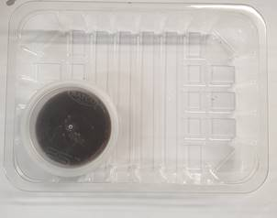 |  |  |  |  |  | 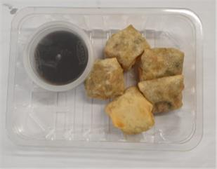

Tray: SK4-Plain Clear (PKESS001-07) |  |  |  | PEKING DUCK SAUCE-(RMWIN001-11)- 40g |  |  |  |  |  | 5 x DUCK PARCELS 20g (GFF282R)-100g
Film: K-peel 7G+25A/f-275mm (PKKMP001-03) |  |  |  | SATCO CONTAINERS (PKKAV001-17)
STEP 4 |  |  |  |  |  |  | STEP 5
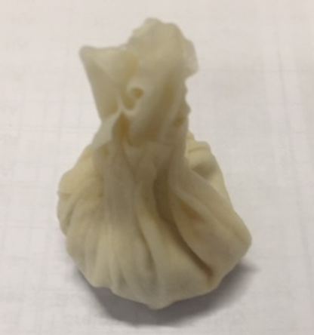
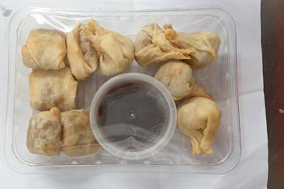
DAY TAKEN OUT OF FREEZER + 14 DAYS

5 x DUCK MONEY BAGS 20g-(GFF284R)- 100g |  |  |  |  |  |  | TOTAL WEIGHT: 240g

ALLERGY ALERT: MILK, SOYA, SESAME, WHEAT

